TOS
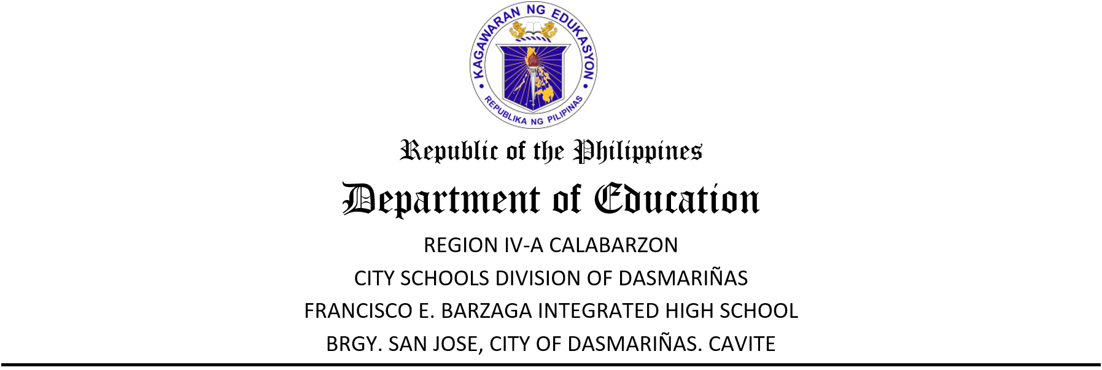

 | TERM EXAMINATION- TERM 1
 | TLE 9: COMPUTER PROGRAMMING
 | SY: 2026-2027

 | TABLE OF SPECIFICATIONS

 | Learning Competencies/Topics | No of Teaching Days | % of Teaching Days | NO. OF ITEMS | ITEM PLACEMENT
 |  |  |  |  | Remembering | Understanding | Applying | Analyzing | Evaluating | Creating
 |  |  |  |  | 70% |  |  | 30%
ST1-ST2 (Least Mastered Competency) | Embed multimedia elements in a webpage. |  |  | 3 | 1-3
 | Create a table in a webpage |  |  | 3 |  | 4-6
 | Apply links to images, email, button, and text in a webpage. |  |  | 4 |  |  | 7-10
Week 7 | Discuss syntax, selectors, and types of cascading style sheets. | 2 | 10 | 4 |  | 11-14
 | Apply CSS Colors, backgrounds, fonts, and text into a webpage. | 3 | 15 | 6 |  | 15-20
Week 8 | Apply CSS icons, links, list and tables. | 2 | 10 | 4 |  |  | 21-24
 | Apply CSS animation and transition in a webpage. | 3 | 15 | 6 |  |  | 25-30
 | Apply CSS borders, margins, and paddings. | 3 | 15 | 6 |  |  | 31-35 | 36
Week 9 | Utilize CSS box model in a webpage | 2 | 10 | 4 |  |  |  | 37-40
 | Utilize CSS box shadow and transform in a webpage. | 3 | 15 | 6 |  |  |  |  | 41-46
Week 10 | Create an interactive website. | 2 | 10 | 4 |  |  |  |  |  | 47-50
 | TOTAL | 20 | 100 | 50 | 3 | 13 | 19 | 5 | 6 | 4

 | Prepared by: |  |  | Checked by:

 | ASDF |  |  | AASDF
 | Subject Teacher, MT-I |  |  | Master Teacher I

 | Reviewed by: |  |  | Noted by:

 | FREDDIE S. BUENO |  |  | JEFFREY D. PENALES
 | MT-II, OIC-Asst Principal |  |  | Principal I
 | for Academics (JHS)

